1. Title Page
Grocery Basket Analysis

Project Name: Instacart Grocery Basket Analysis
Date: May 2023
Analyst Name: Sherrilyn Roque

Contents:
Population Flow
Consistency checks
Wrangling steps
Column derivations
Visualizations
Recommendations

Data Citation:
The Instacart Online Grocery Shopping Dataset 2017”, Accessed from www.instacart.com/datasets/grocery-shopping-2017 via Kaggle on [Apr 2023].

The customer data used in this analysis, as well as the “prices” column in the products data set, were both fabricated for the purpose of this course.

2. Population Flow
Title page

Population flow

Exclusion flag
Condition: max_order <
Obervations to be removed:
Final total count of order_products_all: 32,404,859

Orders_products_combined
Orders_products_merged
Orders_products_all

Total: 32,404,859
Total: 32,434,489
Total: 32,404,859

1.) The grey boxes in the first row of the population flow represent the original data sets as they were when you downloaded them. In the Total fields you need to add the count of the rows when you imported the data set into Jupyter.
2.) The second row of boxes (coloured) represents the data sets after you manipulated them, e.g., removed missing values and duplicates. In the Total fields you need to add the count of the rows after conducting these operations. This offers a visual oveview of how the data flows throughout the data consistency checks.
3.) The third row, where also the arrows are coloured, represents the merges you performed between the datasets. In the Total fields you need to add the count of the rows in the merged datasets, so that you end up with the final dataset (in the red box). Keep in mind the final dataset should be without exclusions (based on the exclusion flag).

3. Consistency checks
 |  |  |  | Title page
Consistency checks

Dataset | Missing values | Missing values treatment | Duplicates
orders | 206,209 | no action needed since these are expected. | none
products | 16 | removed missing values. | 5 duplicate values
orders_products_prior | none |  | none
customers | none |  | none

4. Wrangling steps
 |  |  |  | Title page
Wrangling steps

Columns dropped | Columns renamed | Columns' type changed | Comment/Reason
 | orders_day_of_week |  | Changed to order_day_of_week for consistency
first_name |  |  | Removed for user privacy
last_name |  |  | Removed for user privacy

5. Column derivations
 |  |  |  | Title page

Column derivations and aggregations

In this tab you should add tables below that the frequences of flags/label variables that you produced after deriving them. NB: don't do this for continuous variables, only for flags.
Dataset | New column | Column/s it was derived from | Conditions
ords_prods_merged | price_range_loc | price | If price is > 15 = High-range Product If price is <= 15 & > 5 = Mid-rangeProduct If price is <= 5 = Low-range Product
ords_prods_merged | busiest_day | order_days_of_week | if orders_day _of_the_week = 0, Busiest day if orders_day _of_the_week = 4, Least busy all else, Regularly busy
ords_prods_merge | busiest_hours_of_day | order_hour_of_day | if order_hour_of_day = 10, 11, 14, 15, 13, 12 ,16, 9 then = Most orders if order_hour_of_day = 17, 8, 18, 19, 20, 7, 21, 22 then = Average orders all else = Fewst orders
ords_prods_merge | loyalty_flag | order_number | If the max_order is > 40 = Loyal customer If the max_order is > 10 & <= 40 = Regular customer If the max_order is <= 10 = New customer
ords_prods_merge | spending_flag | prices | if the avg_prices < 10 = Low spender if the avg_prices > 10 = High spender
ords_prods_merge | frequency_flag | days_since_prior_order | if the median of “days_since_prior_order” > 20 = Non-frequent customer if the median of “days_since_prior_order” > 10 or <= 20 = Regular customer if the median of “days_since_prior_order” <= 10 = Frequent customer
df_orders_products_all | activity_flag | max_order | if max_order < 5 = low-acitivty if max_order >= 5 = high-activity
df_orders_products_all | age_flag | Age | if Age <= 25 = Young Adult if Age >= 26 & <=44 = Adult If Age >=45 & <= 59 = Middle-Age If Age >=60 = Old-Age
df_orders_products_all | income_flag | income | if income <= 52,000 = Low Income If income >= 52,001 & <=156,600 = Middle Income If income >= 156,6001 = High Income
df_orders_products_all | dietary_flag | user_id & department_id | If user_id purchases products from department_id 12 (meat & seafood) = carnivore all else = vegetarian
df_orders_products_all | dependant_flag | no_of_dependants | If np_of_dependants = 0 = No Children If no_of_dependants >0 = Parent

6. Visualizations
 |  |  |  |  |  | Title page

Visualisations

In this tab you should include all the visualtions from Exercises 4.9 and 4.10, alongside the questions from the project brief that they answer. Include any commentary on the relationship between different variables.

Key Questions:

1.) What the busiest days of the week and hours of the day are (i.e., the days and times with the most orders)?

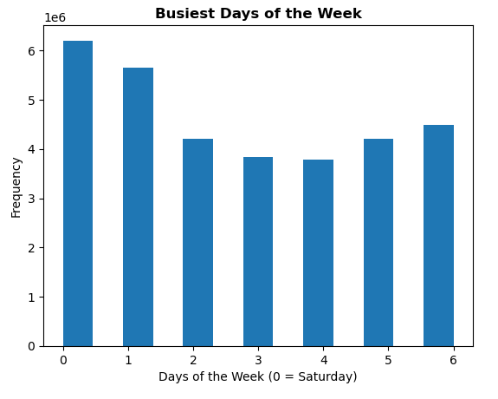
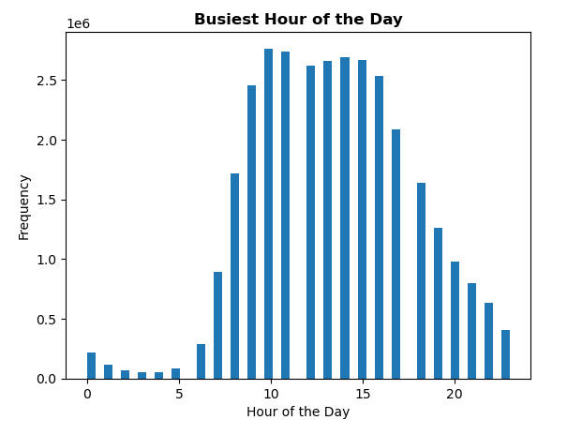

 | Customers place their orders mostly on Saturday and Sunday while the slowest days are Tuesday and Wednesday |  |  |  | Peak times for customer orders are between 10am - 4pm.

2.) What time of the day do people spend the most money?

 |  |  | Spend by Hour of the Day
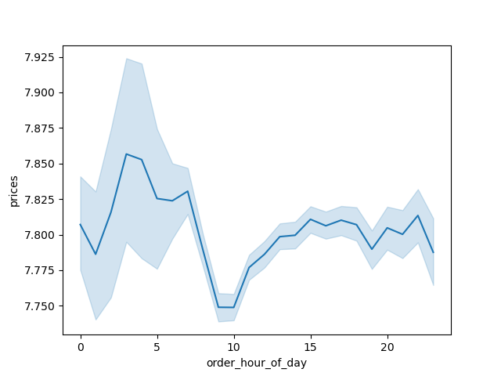

 | Customers spent the most on a product at around 2-5 am while the lowest purchase occurred at 10 am.

3.) What’s the distribution among users in regards to their brand loyalty (i.e., how often do they return to Instacart)?

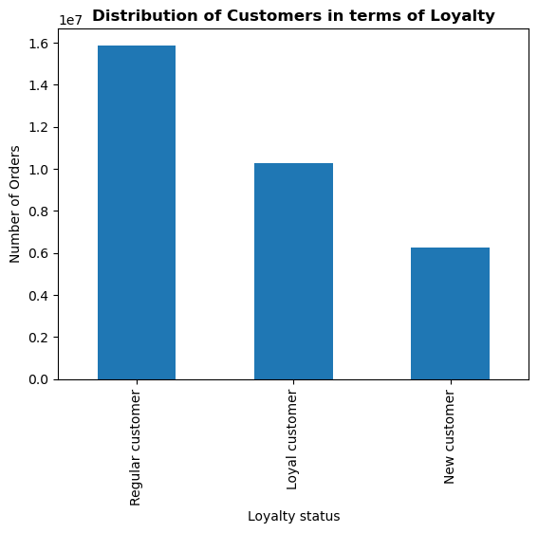

 | Majority of Instacar's customers are considered regular customers whose maximum orders is between 10-40 items.

4.) Is there a connection between age and family status in terms of ordering habits?

 |  | Number of Dependants by Age
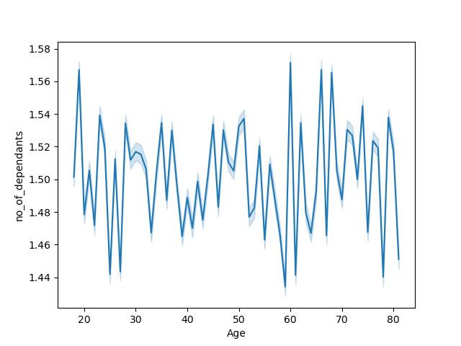

 | The line chart does not show any conclusive relationship between age and no of dependants. There is no clear relationship between the 2 variables.

5.) Is there a connection between age and spending power (income)?

 |  | Income by Age
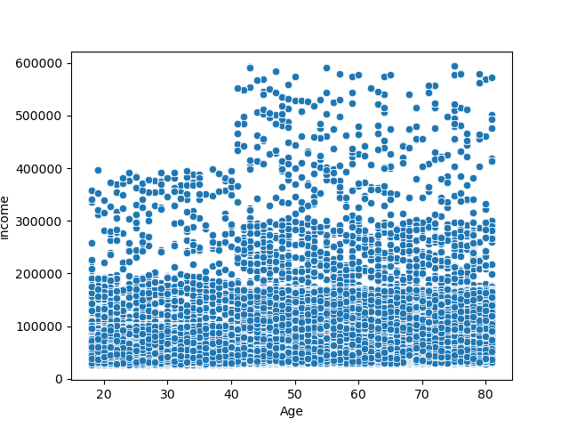

 | The scatterplot shows the direct correlation between age and income. People aged 40 and above start making over 400,000 and above as opposed to those with ages under 40.

6.) What different classifications does the demographic information suggest? Age? Income? Certain types of goods? Family status?

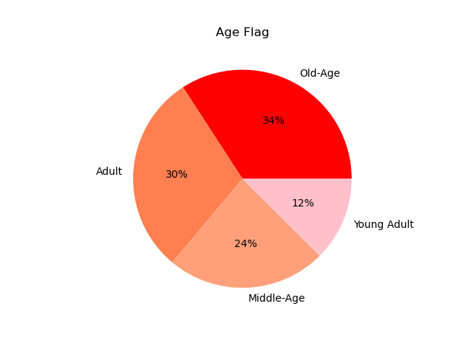
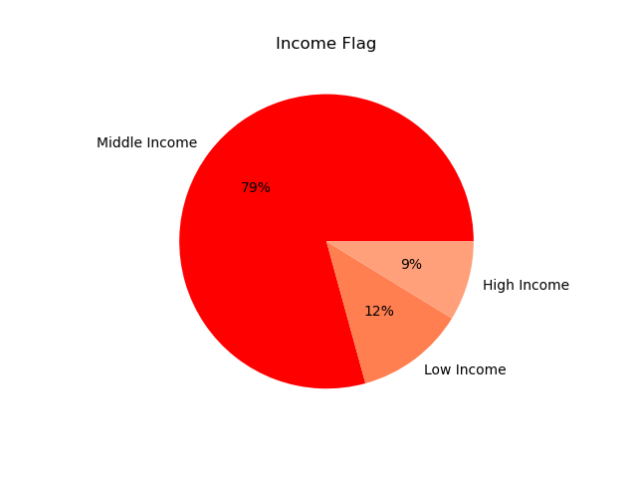

 | Adults age 26-44 makes up the majority of Instacart's demographics. |  |  | Majority of Intacart's customers are middle class.

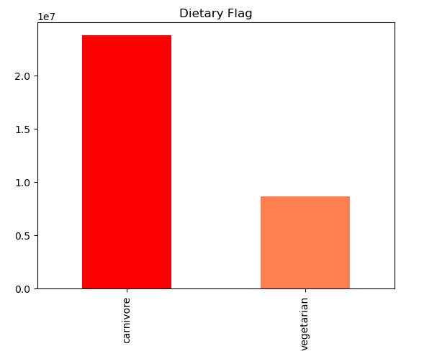
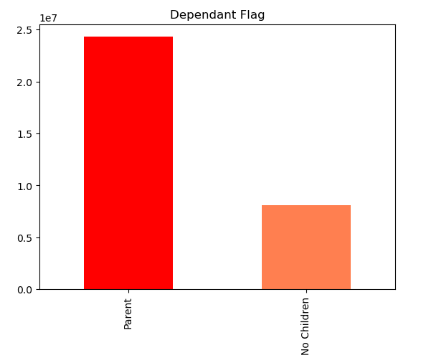

 | Majority of Instacart's clients are carnivores. |  |  | Majority of Instacart's clients have a child or more.

7.) What differences can you find in ordering habits of different customer profiles?

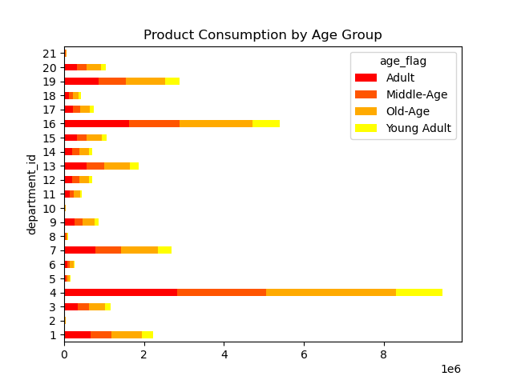
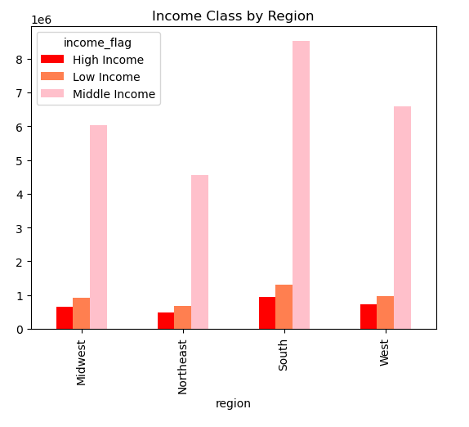

 | Produce is the #1 consumed product across all age groups, followed by dairy and eggs. |  |  | Majority of the consumers across regions belong in the middle class income bracket and are responsible for driving up sales.

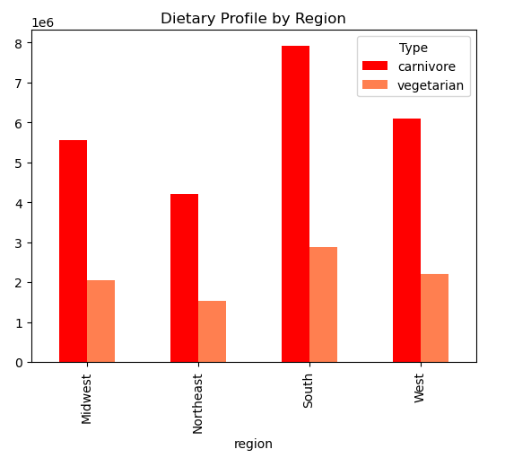
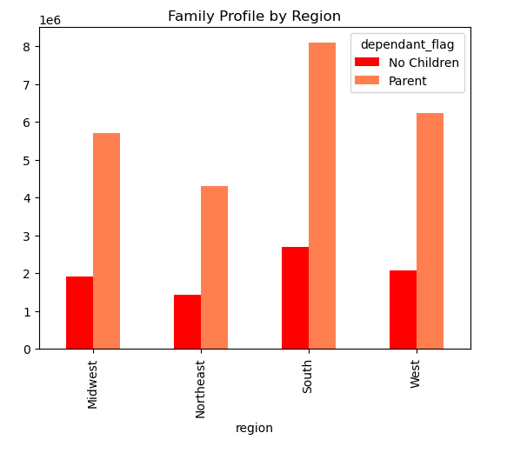

 | Customers with children drive up sales across all regions given that more household members will be consuming groceries. Parents are consistenly higher compared to people with no children across all regions. |  |  | While the carnivores outnumber the vegetarians across regions, it should be noted that the South and West regions had the most vegetarian clientels.

7. Recommendations
 |  | Title page

Recommendations

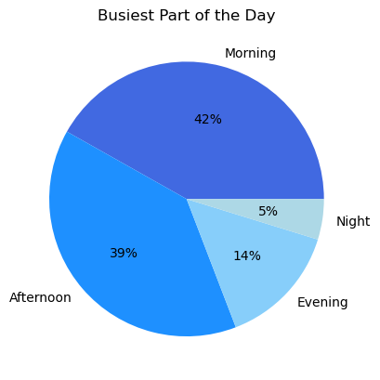

Question | Answer

1.) What the busiest days of the week and hours of the day are (i.e., the days and times with the most orders)? | It is recommended that the Marketing Department schedules their ads on weekdays during the evening and night hours. Customers are more likely to be home and watching TV during these hours to see the commercial ads.

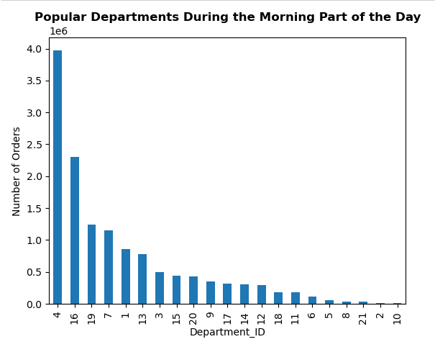
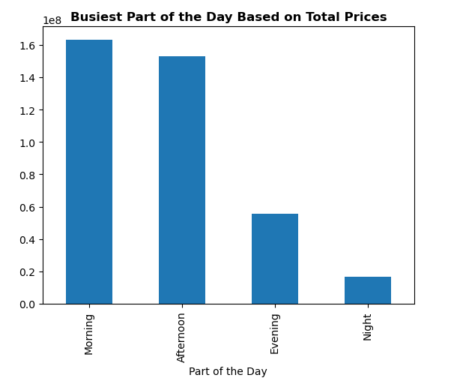

2.) What time of the day do people spend the most money? | Customers spend the most during the morning part of the day, spending the most on produce and dairy eggs. Marketing can send flash promotional emails the night before for produce and dairy eggs to get customers to plan and increase their purchase.

3.) What’s the distribution among users in regards to their brand loyalty (i.e., how often do they return to Instacart)? | The company needs to transform their new customers into regular customers by getting them to order at least more than 10 items per order. One way of increasing loyalty is by offering discount coupons for orders of 10 items or more or BOGO half off coupons.

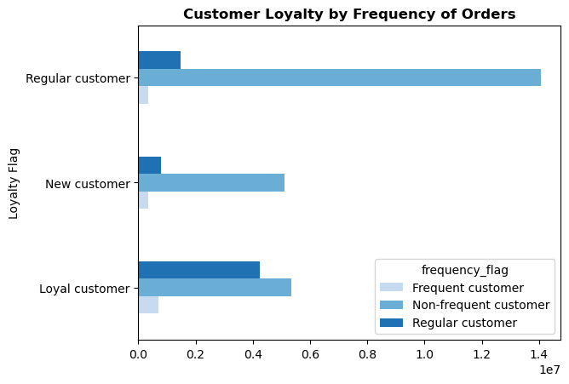
4.) Are there differences in ordering habits based on a customer’s loyalty status? | The frequency rate regardless of the customer's loyalty is low although the loyal customers shop the most frequent. The company should taylor their promotions to the customers based on the frequent items that they purchase so that they order more frequently, by offering discounts and rewards.

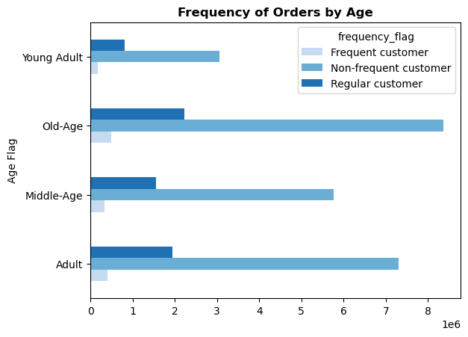
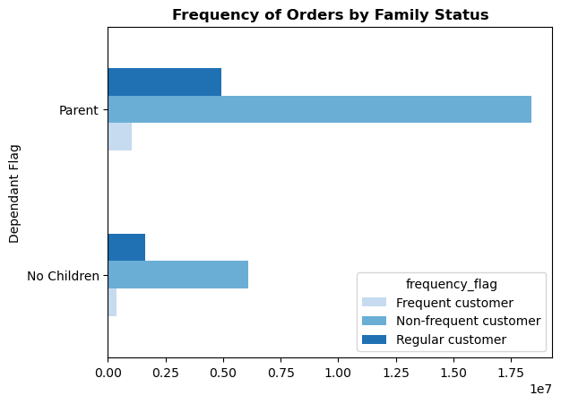

5.) Is there a connection between age and family status in terms of ordering habits? | Adult and Old-Age populations were the top 2 age categories that ordered the most. Customers with at least one child also ordered more than people with no children. The company should target the single, young adult and middle-age by sending personalized promotions based on their preferred products to boost sales and frequency in these categories.

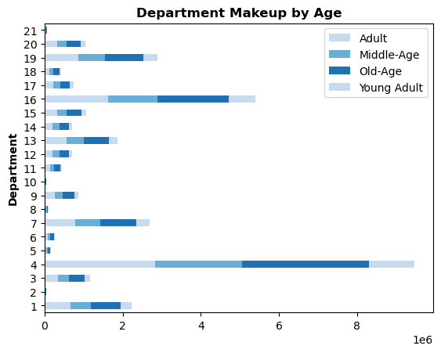
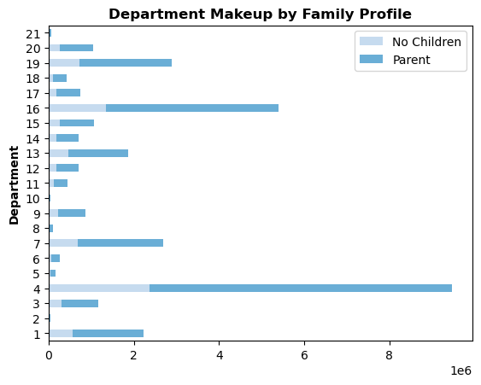

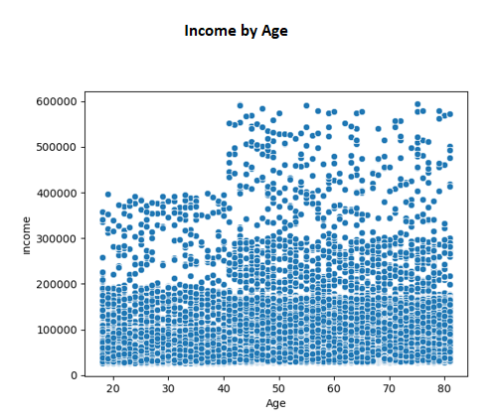

6.) Is there a connection between age and spending power (income)? | The company should ensure that they retain their customers age 40 and above since they are more likely to earn more income. Higher spending power translates to higher purchases within the site. The company can send promotional mailers to the customers in that demographic.

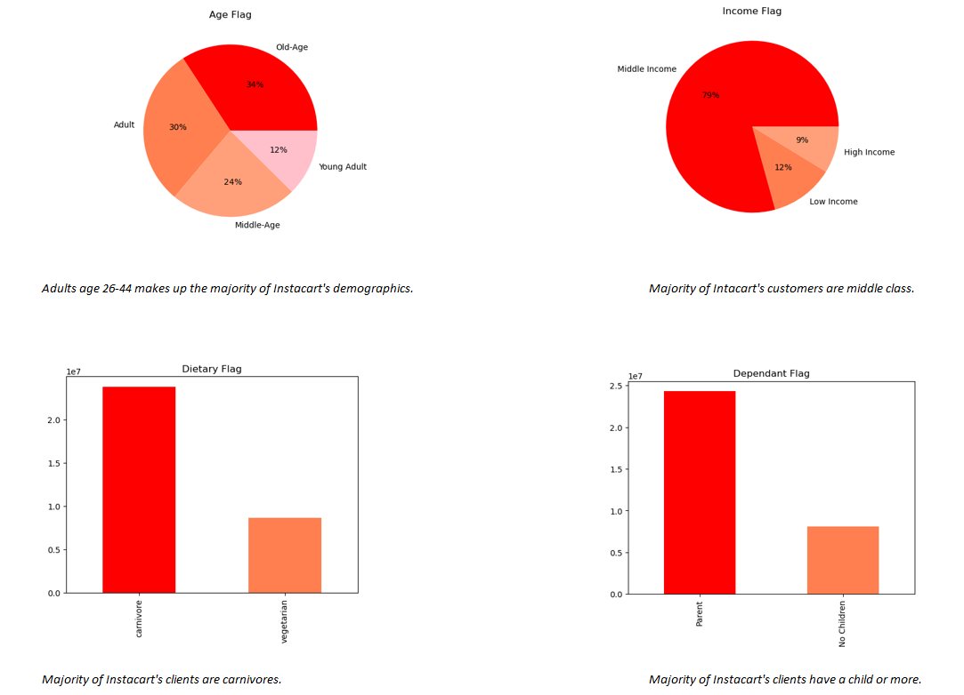

7.) What different classifications does the demographic information suggest? Age? Income? Certain types of goods? Family status? | Instacart's customers are primarily: - Age 26-44 and over 60 - Makes $52,001 - $156,000 - Eats meat and seafood - Have 1 or more children

 | Create promotional flyers/email blasts that include dicounts on meat and seafood (for carnivores), alcohol (of drinking age), baby products (for parents).

8.) What differences can you find in ordering habits of different customer profiles? | Instacart should continue to target the staple items that most family buys such as produce, dairy/eggs, and meat/seafood that appeals to the middle class. Keep more of the items priced low and not carry any luxury items. Customers by region rank: #1. South #2. West #3. Midwest #4. Northeast Increase customer count/base in the Midwest and Northeast regions by increasing promotional efforts and commissions to sales departments in those regions.

